Analysis
Geopolitical Risk Assessment

What happened
Starting 19 November 2023, Yemen's Houthi movement (Ansar Allah) began attacking commercial vessels transiting the Bab-el-Mandeb Strait and southern Red Sea, explicitly linking the attacks to the Gaza conflict. Over 190 attacks had occurred by October 2024. In response, the major container lines (Maersk, MSC, CMA CGM, Hapag-Lloyd) suspended Red Sea transits and rerouted around the Cape of Good Hope.

Why it is financially significant
The Suez Canal–Red Sea corridor normally carries about 12% of global trade, roughly 10% of seaborne oil, and 22% of global container shipping. It is not a peripheral route — it is one of the handful of choke points (alongside the Strait of Hormuz and Panama Canal) that global trade genuinely depends on, so a sustained disruption shows up simultaneously in freight costs, insurance costs, delivery times, and inflation expectations across many unrelated industries at once.

Countries affected
Egypt — direct fiscal hit: Suez Canal revenue fell over 60%, a loss of nearly $7 billion in 2024, since the canal is a major source of Egypt's foreign-currency income.
Yemen — origin of the attacks; ongoing conflict actor.
Israel — the stated trigger (Gaza war) and a direct target of some attacks.
India — large importer of crude oil and API/pharma intermediates via this route, and a major exporter of generics to the US/EU that transits this corridor; also a beneficiary in some respects (longer routes raise the relative attractiveness of India as a shorter-route alternative supplier for Middle East/Africa markets).
China — a dominant API/intermediate exporter to India, so China-to-India shipping lanes are indirectly affected by the same rerouting pressure.
US/UK/EU — direct naval involvement (coalition strikes on Houthi positions) and importers of goods normally routed via Suez.

Geopolitical risk - transmission map
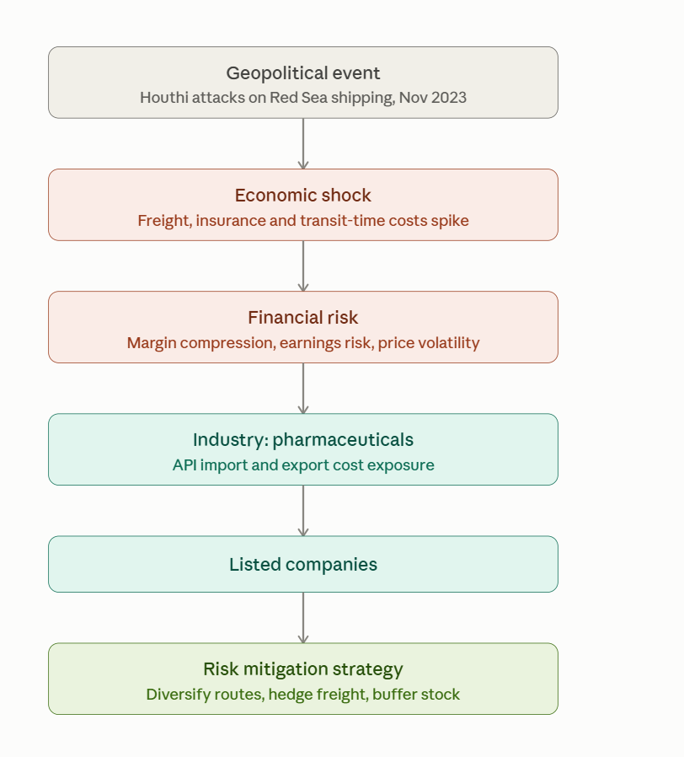

Industry-level risk analysis
CRISIL assessed the impact of the Red Sea disruption on Indian pharma as medium, noting that about two-thirds of pharma exports were by sea and that prolonged disruption could increase freight costs and pressure margins.
CRISIL reported that around 50% of Indian pharma-industry revenue comes from exports, with the US and Europe being major markets, and nearly two-thirds of pharma exports moving by sea.

Industry-level call: Pharma as a whole is best classified as Neutral — demand is non-discretionary (people don't stop taking medicines because of a shipping crisis), so there's no revenue/demand shock. The risk is entirely on the cost side (freight, insurance, API-input inflation) and within the sector, the impact is uneven — hence the split below.

Company Classification — Red Sea Shipping Crisis Impact on Indian Pharma
Company | Classification | Key Rationale
Cipla | Winner | Domestic revenue >45%; low API import dependency; less exposed to sea-freight-linked US tenders
Sun Pharmaceutical | Winner | US/Israel (Taro) manufacturing bypasses India sea-freight; specialty/branded mix cushions cost inflation
Zydus Lifesciences | Neutral | Moderate US-generics exposure offset by diversification into specialty and consumer wellness
Dr. Reddy's Laboratories | Neutral | Diversified geography (US/EU/Russia-CIS/India) but meaningful two-way freight exposure (API imports + formulation exports)
Lupin | Loser | Large US-generics export book under regulated/tender pricing; limited alternate manufacturing geography
Aurobindo Pharma | Loser | Heaviest combined exposure — large API/intermediate imports AND large US export book; hit on both supply-chain legs

Company | International Exposure | Shipping Exposure | Geographic Diversification | Red Sea Risk
Cipla | High | High | High | 🟡
Sun Pharma | High | High | Very High | 🟢
Zydus | High | High | High | 🟡
Dr. Reddy's | High | High | High | 🟡
Lupin | High | High | Medium–High | 🔴
Aurobindo | High | High | Medium–High | 🔴

